Welcome
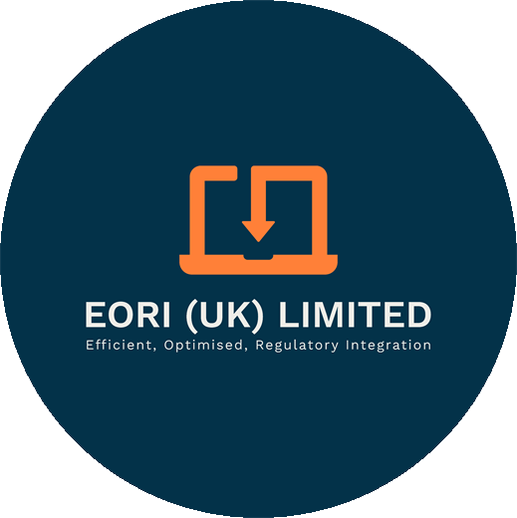

 |  | Welcome to the EORI (UK) Limited SPS checker |  |  | ABOUT EORI

 |  |  |  |  | - Experts in SPS documentation

 |  |  |  |  | - 24/7 full service covering all UK ports

 |  |  |  |  | - Full use of customs simplifications
The Border Target Operating Model (BTOM) laid out the new requirements in respect of SPS controls for GB imports
 |  |  |  |  | - IPAFFS / PEACH declarants
These controls are risk based : HIGH, MEDIUM or LOW
 |  |  |  |  | - Working with some of the largest brands in the business
HIGH | Requires full certification and is more likely to be selected for a physical inspection on arrival in GB
MEDIUM | Requires full certification and may be selected for physical checks on arrival, although these will be low in number |  |  |  | - Creators of CABIE - the super slick import / export process
LOW | Requires only a pre-notification for animal products and nothing for plants and plant based products

The new controls apply from 31st January 2024 and physical inspection starts from April 2024 (later for west coast ports)

Note : these new controls also apply to GB imports from Republic of Ireland

Establishing the risk category is obviously vital for your planning and preparation. This guide will help you.

Last update : November 2023
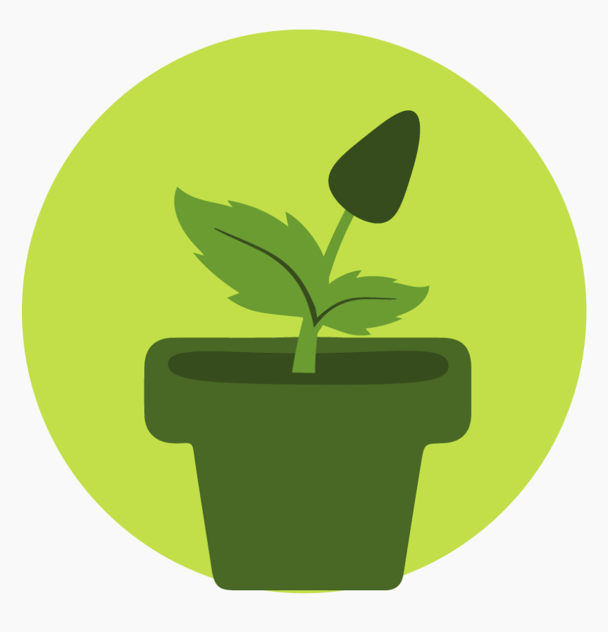
Choose your icon for information on risk categories :

 |  |  | Plants and Plant Products | Animals and Animal Products

PLANT
Group | Legislative Term | Country of origin | RISK | Certification | IPAFFS/PEACH
Any plants or plant products from the EU not mentioned in or excluded from the high or medium risk categories, are low-risk. Further risk assessments is ongoing and any changes to these BTOM risk categories from the EU will not take place before April 2024 and DEFRA/APHA will communicate with traders, well in advance of any changes to commodity categorisation. |  |  |  | NO | NO | 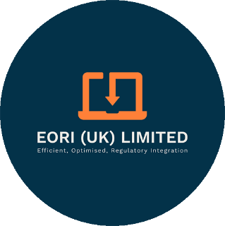
Plants for planting | Plants for planting, other than seeds | EU Member States, Liechtenstein and Switzerland | HIGH | YES | YES
Tubers of | Solanum tuberosum intended for planting (Seed potatoes) | EU Member States, Liechtenstein and Switzerland | HIGH | YES | YES
 | Solanum tuberosum (ware potatoes) | EU Member States, Liechtenstein and Switzerland | HIGH | YES | YES
Seeds of | Castanea | EU Member States, Liechtenstein and Switzerland | HIGH | YES | YES | https://planthealthportal.defra.gov.uk/trade/imports/target-operating-model-tom/tom-risk-categorisations
 | Capsicum spp. | EU Member States, Liechtenstein and Switzerland | HIGH | YES | YES | https://planthealthportal.defra.gov.uk/latest-news/eu-low-risk-fruit-and-vegetables-pre-notification-requirements-2/
 | Solanum lycopersicum | EU Member States, Liechtenstein and Switzerland | HIGH | YES | YES | From the 17 November 2023, you will no longer be required to make pre-notifications on IPAFFS or PEACH for low-risk fruit and vegetables from the EU. If your goods are of EU origin or are of non-EU origin but have entered free circulation in the EU, then you will no longer be required to pre-notify.
 | Solanum tuberosum (true potato seed) | EU Member States, Liechtenstein and Switzerland | HIGH | YES | YES
 | Helianthus annuus | EU Member States, Liechtenstein and Switzerland | HIGH | YES | YES
 | Medicago sativa | EU Member States, Liechtenstein and Switzerland | HIGH | YES | YES
 | Allium cepa | EU Member States, Liechtenstein and Switzerland | HIGH | YES | YES | Risk assessments are a dynamic process, so all commodities remain under continuous review. Fruit and vegetables, including those from the EU, are being prioritised to address uncertainties to make sure they are in the most appropriate category.
 | Allium porrum | EU Member States, Liechtenstein and Switzerland | HIGH | YES | YES
 | Phaseolus cocineus | EU Member States, Liechtenstein and Switzerland | HIGH | YES | YES | Frequently asked questions (FAQs)
 | Phaseolus vulgaris | EU Member States, Liechtenstein and Switzerland | HIGH | YES | YES | Will EU low-risk fruit and vegetables require pre-notification?
 | Pisum sativum* | EU Member States, Liechtenstein and Switzerland | HIGH | YES | YES | From the 17th of November 2023 EU low-risk fruit and vegetables will no longer require pre-notification to be made on either PEACH or IPAFFS.
 | Vicia faba* | EU Member States, Liechtenstein and Switzerland | HIGH | YES | YES
 | Brassica napus* | EU Member States, Liechtenstein and Switzerland | HIGH | YES | YES | How does the 17 November impact the phasing dates mentioned in the Border Target Operating Model for plants and plant products?
 | Brassica rapa * | EU Member States, Liechtenstein and Switzerland | HIGH | YES | YES | For EU low-risk fruit and vegetables this means that you will no longer need to provide pre-notification from 17th of November 2023 or a phytosanitary certificate from 31 January 2024, only high and medium risk EU goods will require a phytosanitary certificate to accompany the consignment, and be pre-notified in line with existing arrangements.
 | Sinapis alba* | EU Member States, Liechtenstein and Switzerland | HIGH | YES | YES | High risk goods are already subject to pre-notification, require a phytosanitary certificate and are subject to documentary, identity and physical checks (the latter currently conducted at place of destination but this will change to a BCP or CP from 30 April 2024).
 | Glycine max* | EU Member States, Liechtenstein and Switzerland | HIGH | YES | YES
 | Linum usitatissimum* | EU Member States, Liechtenstein and Switzerland | HIGH | YES | YES | Is the low-risk category currently assigned to EU fruit and vegetables likely to change?
 | Pinus | EU Member States, Liechtenstein and Switzerland | HIGH | YES | YES | Risk categorisation is dynamic and subject to change on the basis of ongoing analysis of risk. Commodities could be moved to another category quickly if the risk dictates, or over a longer timeframe. Overall, the risk categorisation is intended to be stable and provide consistency. However, the ability to apply emergency control measures on any commodities which pose an imminent risk to plant health will be retained. Low-risk fruit and vegetables from the EU is currently being risk assessed and may be subject to change. Trade will be given sufficient advance notification of any changes.
 | Pseudotsuga menziesii | EU Member States, Liechtenstein and Switzerland | HIGH | YES | YES
Parts of Plants, other than fruits and seeds** | Conifers (Pinales) over 3m | EU Member States, Liechtenstein and Switzerland | HIGH | YES | YES
Bark of | Castanea | EU Member States, Liechtenstein and Switzerland | HIGH | YES | YES
 | Conifers (Pinales) | EU Member States, Liechtenstein and Switzerland | HIGH | YES | YES
 | Fraxinus | EU Member States, Liechtenstein and Switzerland | HIGH | YES | YES
 | Juglans | EU Member States, Liechtenstein and Switzerland | HIGH | YES | YES
 | Ulmus davidiana | EU Member States, Liechtenstein and Switzerland | HIGH | YES | YES
 | Pterocarya | EU Member States, Liechtenstein and Switzerland | HIGH | YES | YES
Wood (including wood which has not kept it’s natural round surface) of | Acer | EU Member States, Liechtenstein and Switzerland | HIGH | YES | YES
 | Aesculus | EU Member States, Liechtenstein and Switzerland | HIGH | YES | YES
 | Alnus | EU Member States, Liechtenstein and Switzerland | HIGH | YES | YES
 | Betula | EU Member States, Liechtenstein and Switzerland | HIGH | YES | YES
 | Carpinus | EU Member States (excluding Spain and Portugal), Liechtenstein and Switzerland | HIGH | YES | YES
 | Conifers (Pinales) excluding wood which is bark free | EU Member States, Liechtenstein and Switzerland | HIGH | YES | YES
 | Conifers | Spain and Portugal | HIGH | YES | YES
 | Cercidiphyllum | EU Member States, Liechtenstein and Switzerland | HIGH | YES | YES
 | Corylus | EU Member States, Liechtenstein and Switzerland | HIGH | YES | YES
 | Fagus | EU Member States, Liechtenstein and Switzerland | HIGH | YES | YES
 | Fraxinus | EU Member States, Liechtenstein and Switzerland | HIGH | YES | YES
 | Koelreuteria | EU Member States, Liechtenstein and Switzerland | HIGH | YES | YES
 | Conifers (Pinales) | EU Member States, Liechtenstein and Switzerland | HIGH | YES | YES
 | Platanus | EU Member States, Liechtenstein and Switzerland | HIGH | YES | YES
 | Populus | EU Member States, Liechtenstein and Switzerland | HIGH | YES | YES
 | Prunus with the exception of Prunus laurocerasus | EU Member States, Liechtenstein and Switzerland | HIGH | YES | YES
 | Salix | EU Member States, Liechtenstein and Switzerland | HIGH | YES | YES
 | Tilia | EU Member States, Liechtenstein and Switzerland | HIGH | YES | YES
 | Ulmus | EU Member States, Liechtenstein and Switzerland | HIGH | YES | YES
Wood of | Juglans | EU Member States, Liechtenstein and Switzerland | HIGH | YES | YES
 | Pterocarya | EU Member States, Liechtenstein and Switzerland | HIGH | YES | YES
Wood (excluding wood which is bark-free) of | Castanea excluding wood which is bark-free | EU Member States, Liechtenstein and Switzerland | HIGH | YES | YES
Used Machinery | Machinery and vehicles which have been operated for agricultural or forestry purposes | EU Member States, Liechtenstein and Switzerland | HIGH | YES | YES
Parts of Plants, other than fruits and seeds** | Cryptocoryne | EU Member States, Liechtenstein and Switzerland | MEDIUM | YES | YES
 | Hygrophila | EU Member States, Liechtenstein and Switzerland | MEDIUM | YES | YES
 | Vallisneria | EU Member States, Liechtenstein and Switzerland | MEDIUM | YES | YES
 | Prunus | EU Member States, Liechtenstein and Switzerland | MEDIUM | YES | YES
 | Solanum lycopersicum | EU Member States, Liechtenstein and Switzerland | MEDIUM | YES | YES
...

Timeline
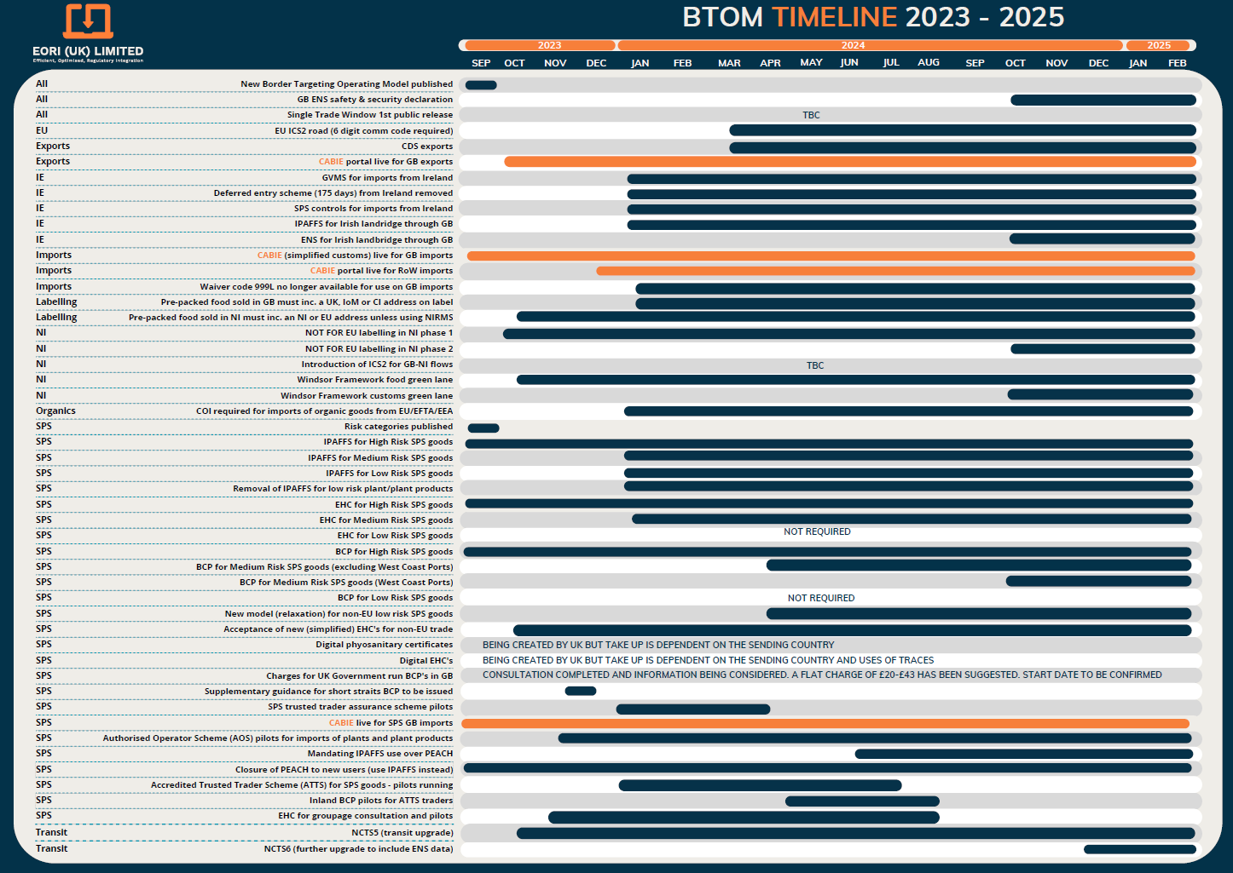

For a downloadable version of this document
go to www.eori.uk/downloads

